Notifications Work
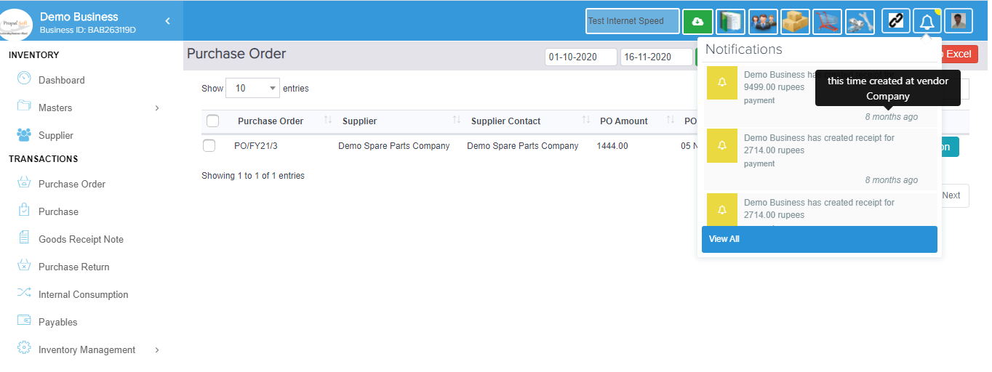
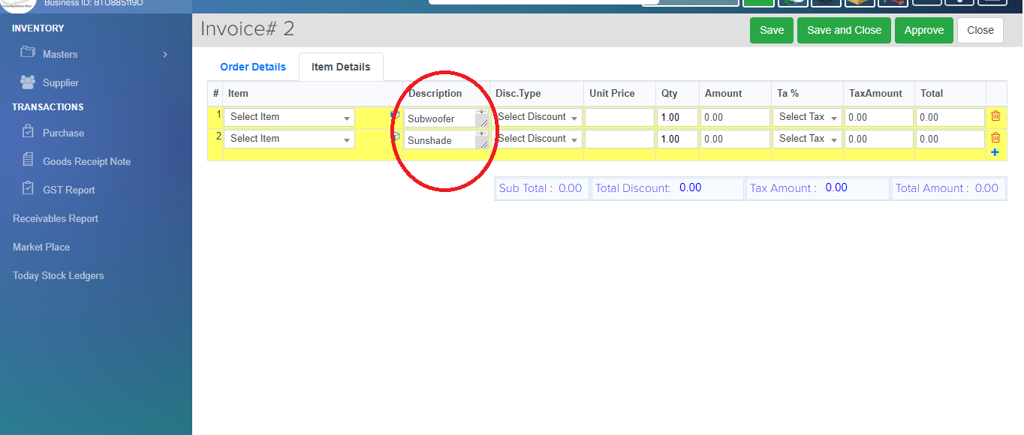
$$√$$
$$√$$
$$√$$
1.Notification Work(Bug) | CB | Status | QA2 | Status | Live | Status
 |  | Finished |  | bug |  | Finished
connections between two organiztions.. |  |  |  | amount receivable
order the purchase item another organiztions

Account Works
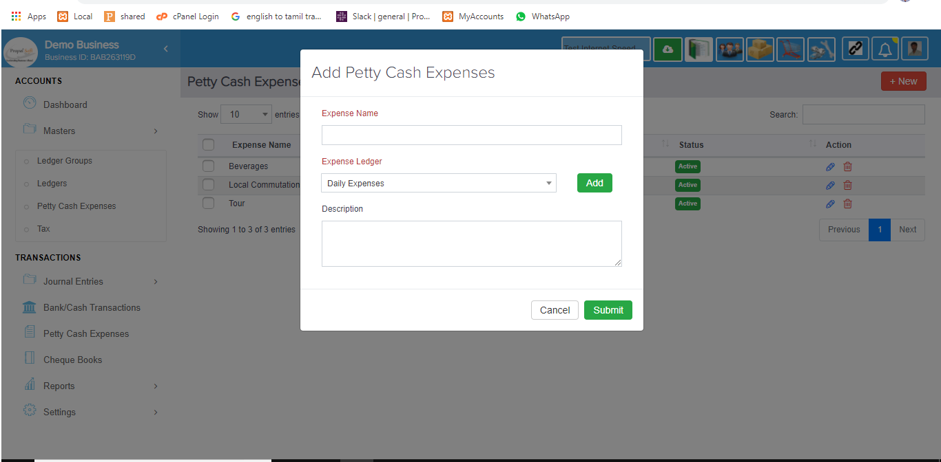
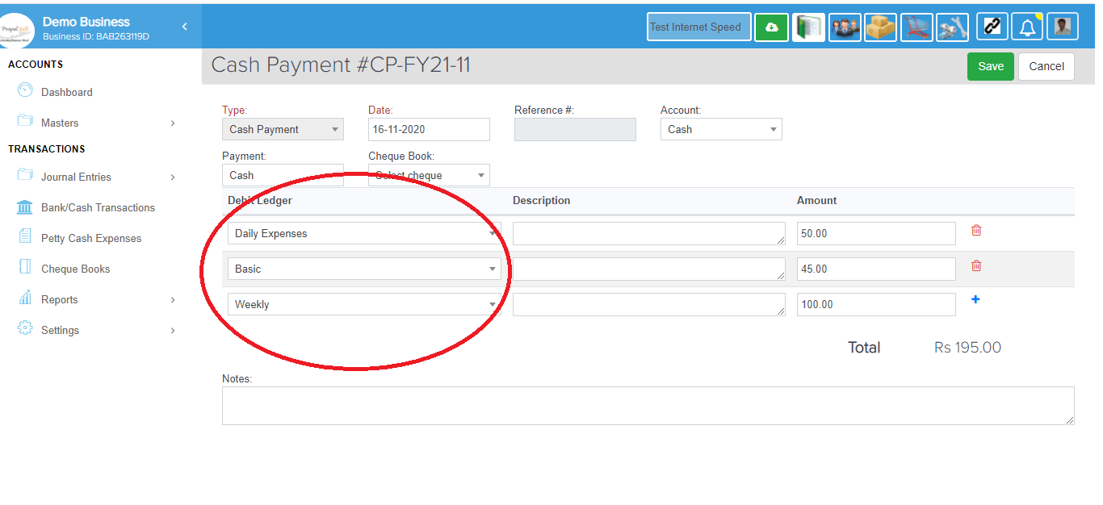
$$√$$
$$√$$
$$√$$
2.Accounts Work(Bug) | CB | Status | QA2 | Status | Live | Status
add new feature of pettycash expense in expense Ledgers |  | Finished |  | bug for storing pettycash |  | Finished
and account_transactions.debit_ledger_id has been changed
that particular id stored in table

Stock Flow Report
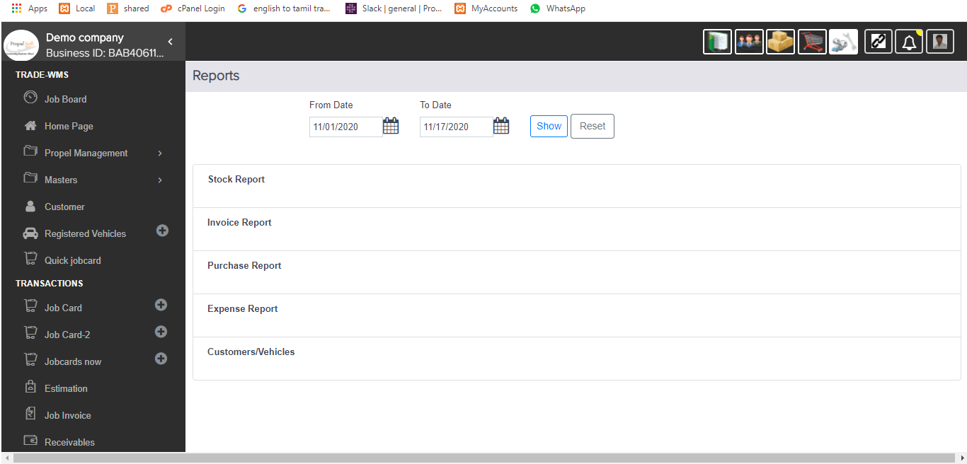
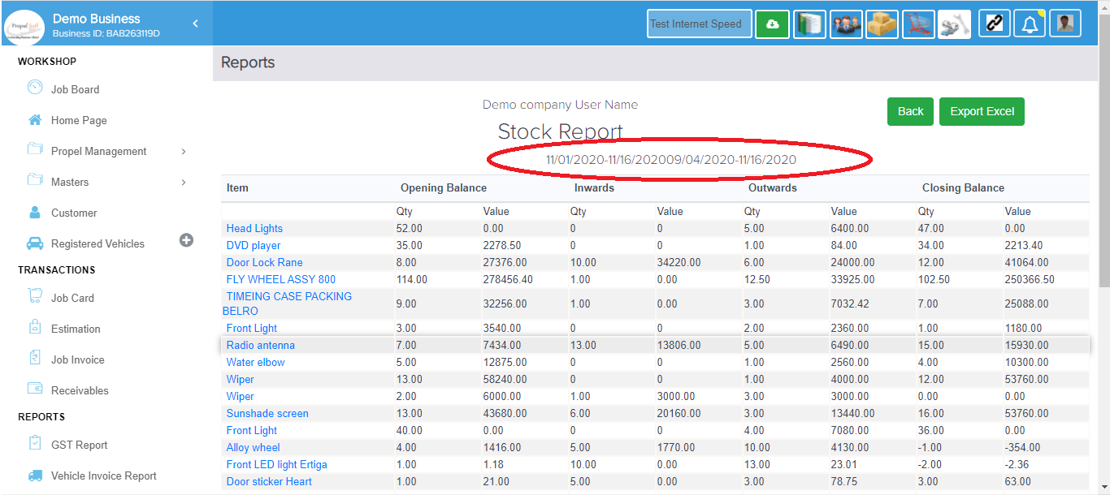
$$√$$
$$√$$
$$√$$
 | CB | Status | QA2 | Status | Live | Status
3.Stock Flow Report(Bug)
1.propel Mangement->Stock Flow Report get the result |  | bug(Accounts |  | (no bug |  | (no bug
inventory_item_stocks.data instead of inventory_item_stock_ledger |  | /ReportsController) |  | just date |  | just date
and the result this finical year into changed particular date |  | Syntax Error |  | empty report screen) |  | empty report screen)

Vechile History Work
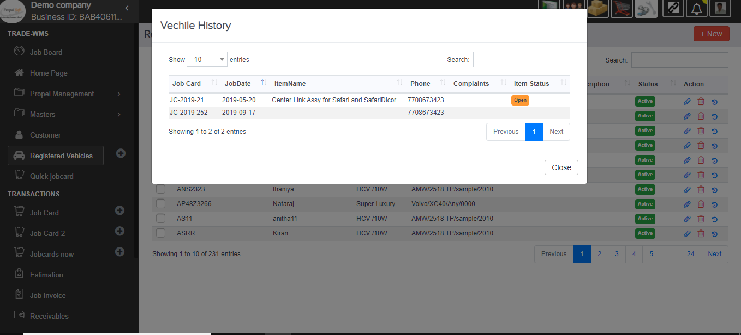
$$√$$
$$√$$
−
−
5.Vechile History Work(Bug) | CB | Status | QA2 | Status | Live | Status
TradeWMS->Registered Vehicle add new feature of
vehicle history based on Jobcard |  | Finished
(already done in jobcared edit screen)

HRM Salary Adjustment
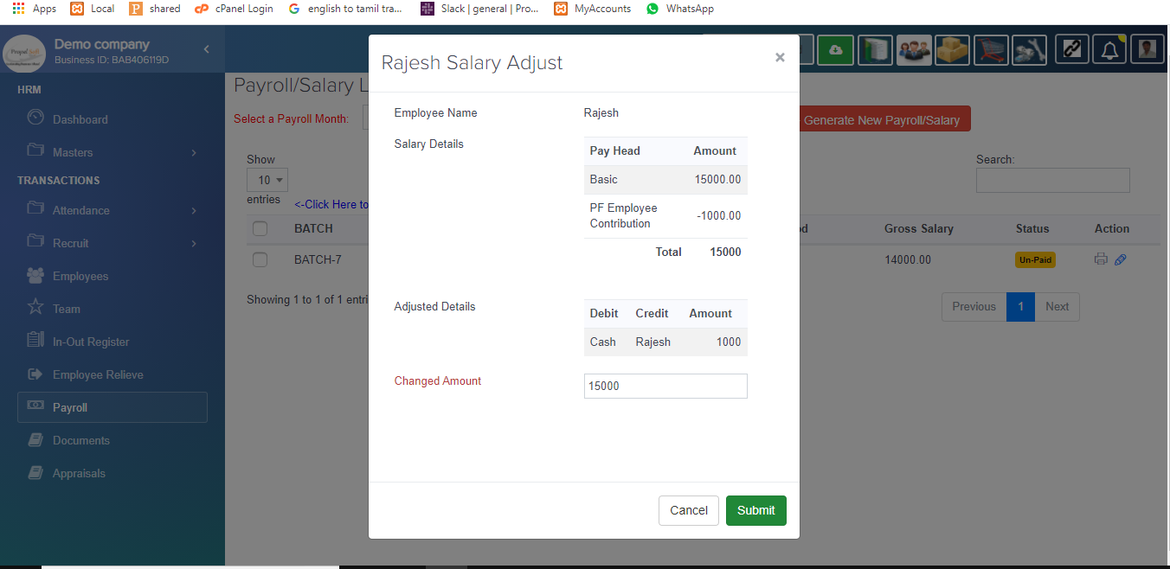
$$√$$
$$√$$
−
−
−
6.HRM Salary Adjusted Work(Bug) | My Local | Status | CB | Status | QA2 | Status | Live | Status
when salary generated we can modify Salary amount
 |  | Finished

Jobcard Ack
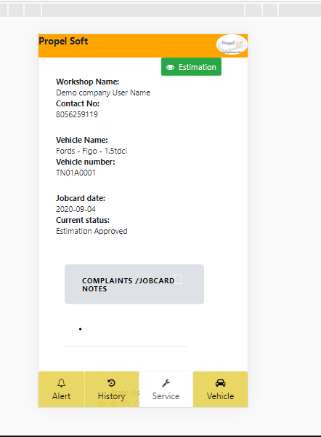
$$√$$
$$√$$
$$√$$
$$√$$
−
−
7.JobCard Acknowldgement Work(New UI) | My Local | Status | CB | Status | QA2 | Status | Live | Status
SMS link to open Ack screen completely UI changed
with Invoice pdf show |  | Finished |  | still query

Send Email
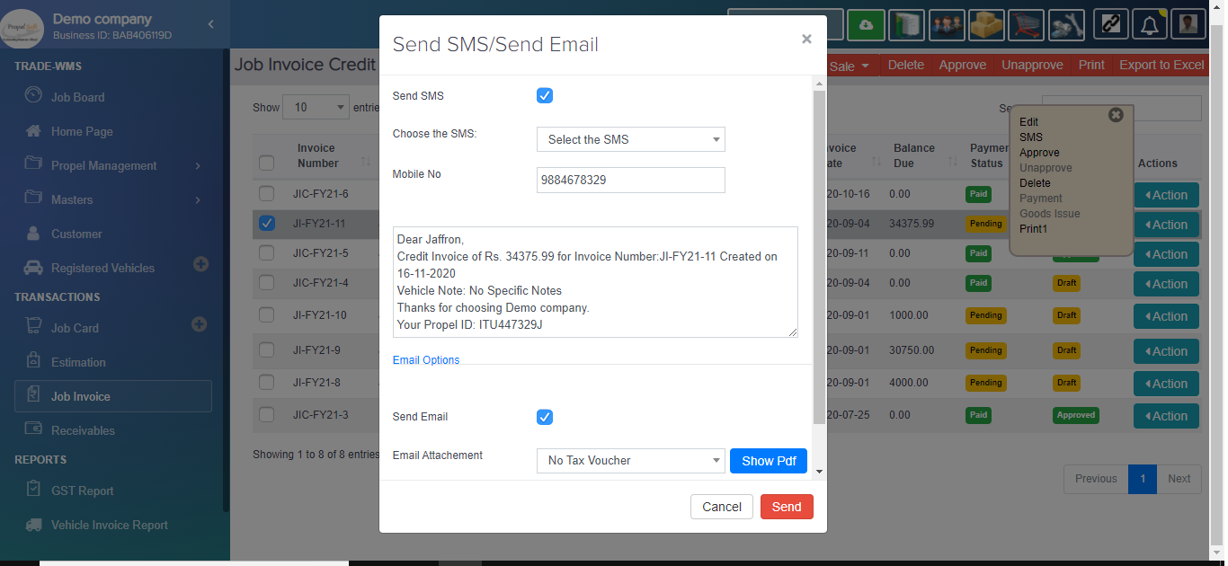
$$√$$
$$√$$
−
−
−
9.Email send invoice Pdf(New) | My Local | Status | CB | Status | QA2 | Status | Live | Status
new feature of send email with invoice |  | Finished
pdf choosed pdf/print templates

PdfPrinttemplate
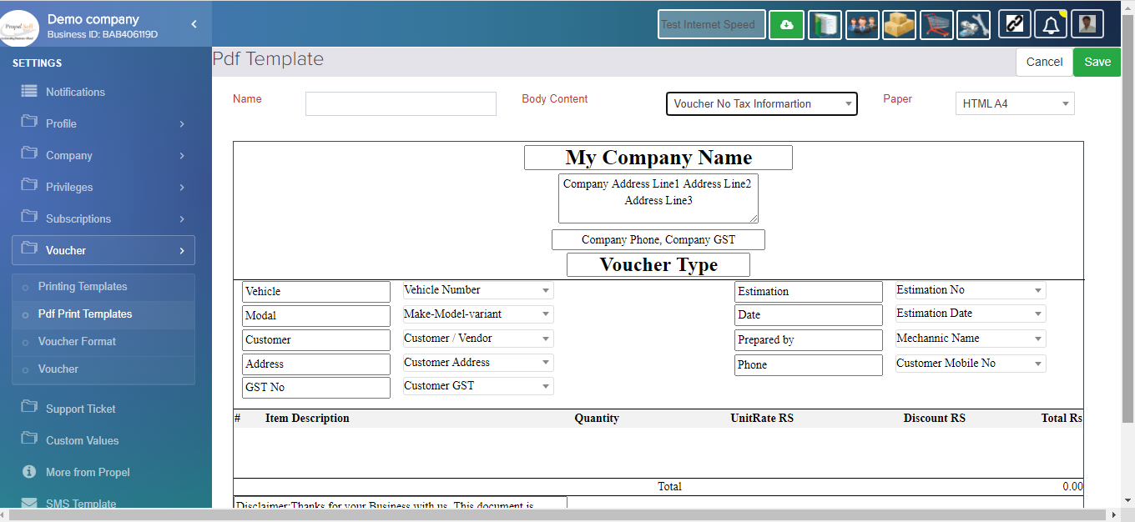
$$√$$
$$√$$
8.Pdf/Print Template(RND) | My Local | Status | CB | Status | QA2 | Status | Live | Status
new feature pdf/print combine the template |  | Finished |  | Finished | − |  | −

WMS Org Cost
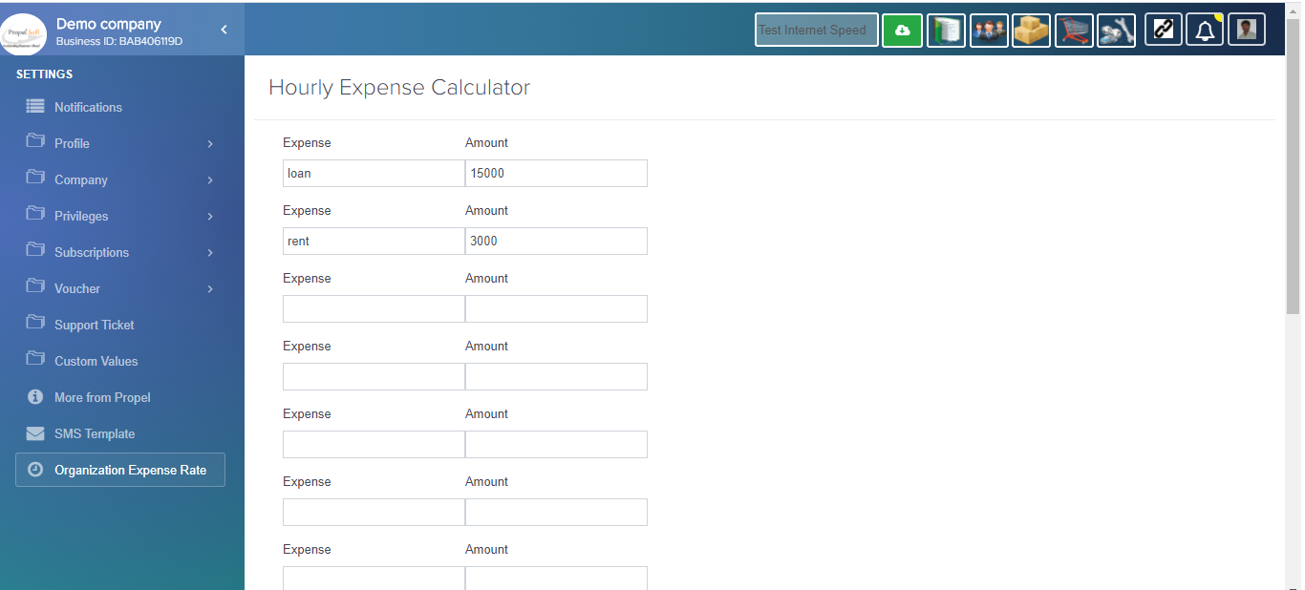
$$√$$
$$√$$
−
−
−
 | My Local | Status | CB | Status | QA2 | Status | Live | Status
4.Expense Rate Cost |  | Finished
Settings page Org Cost calculation per hr

Item Custom Image
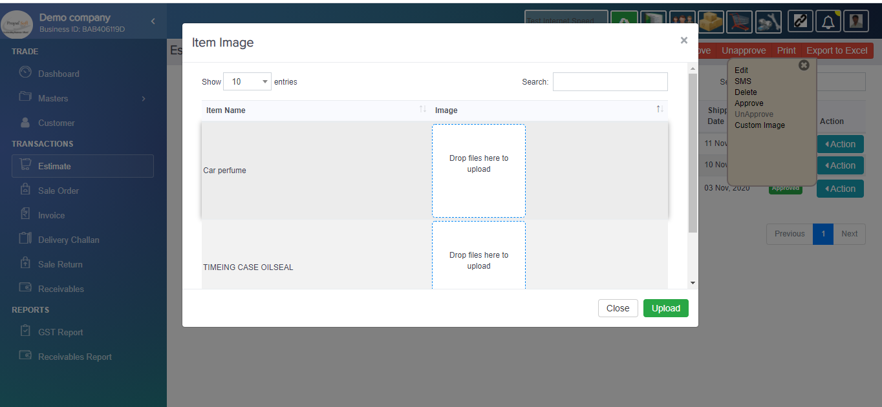
$$√$$
$$√$$
−
−
−
10.Custom Image(New) | My Local | Status | CB | Status | QA2 | Status | Live | Status
the item image are Customized image set |  | Finished

invoiced_item_view
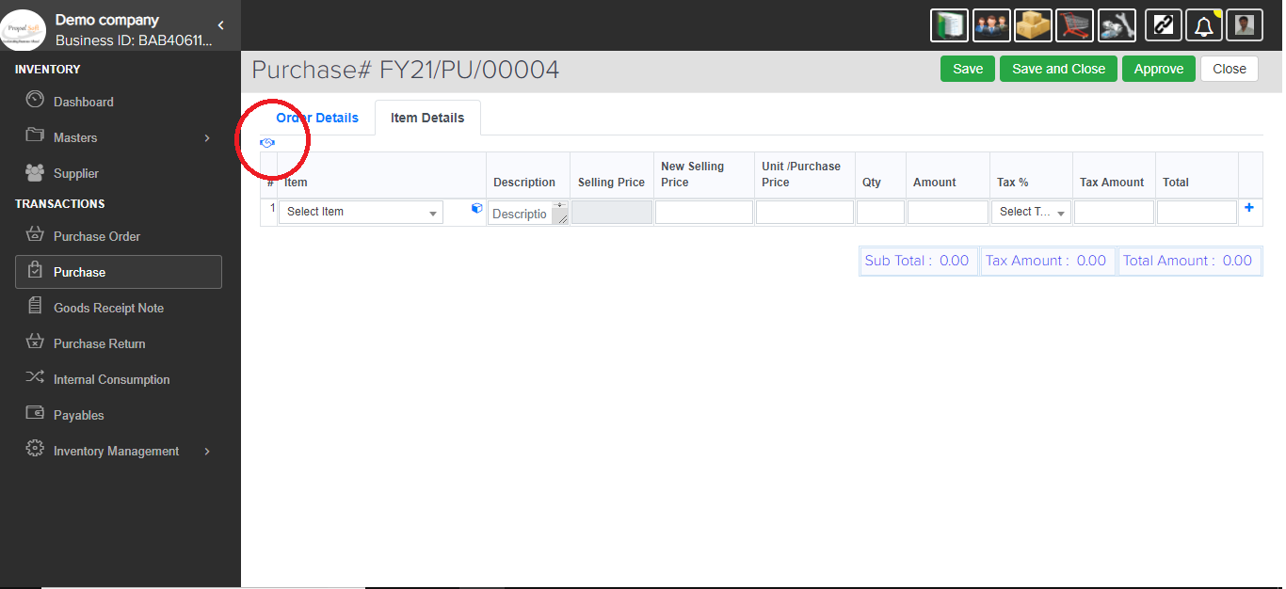
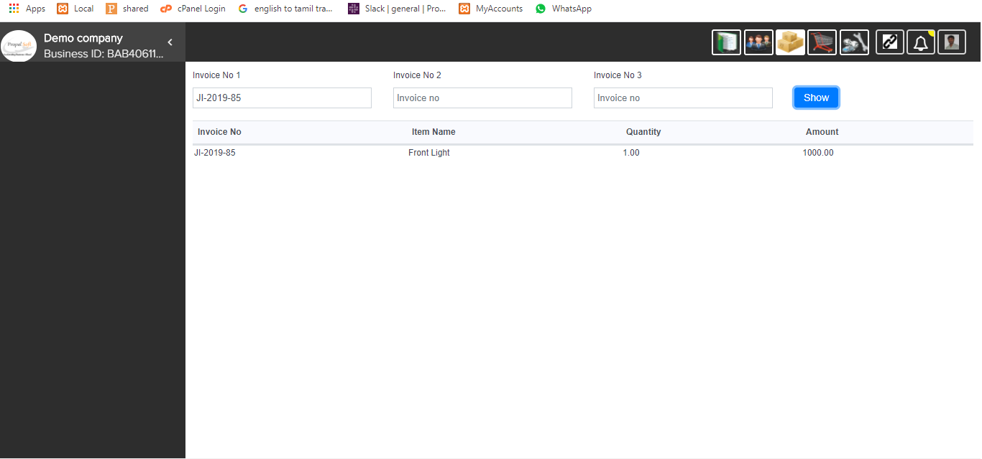
$$√$$
$$√$$
11.invoiced_item_view(New) | My Local | Status | CB | Status | QA2 | Status | Live | Status
check item invoice item in purchase |  | Finished |  | Finished | − |  | − |  | −

Sales Without Purchase Report
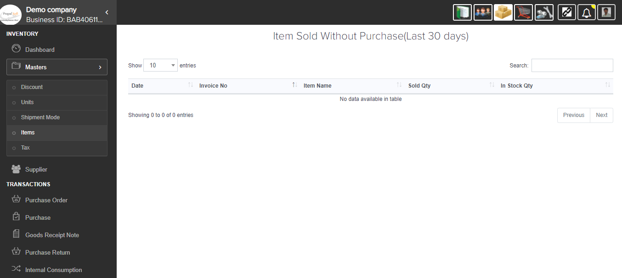
$$√$$
$$√$$
 | My Local | Status | CB | Status | QA2 | Status | Live | Status
12.Sales Without Purchase(New Report) |  | Finished |  | Finished | − |  | −
invenoty Management item sales without
purchase in last 30 days

